Rack Carousel System
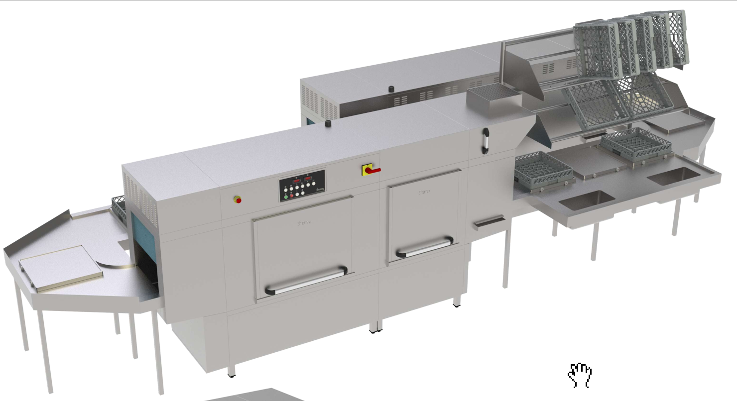
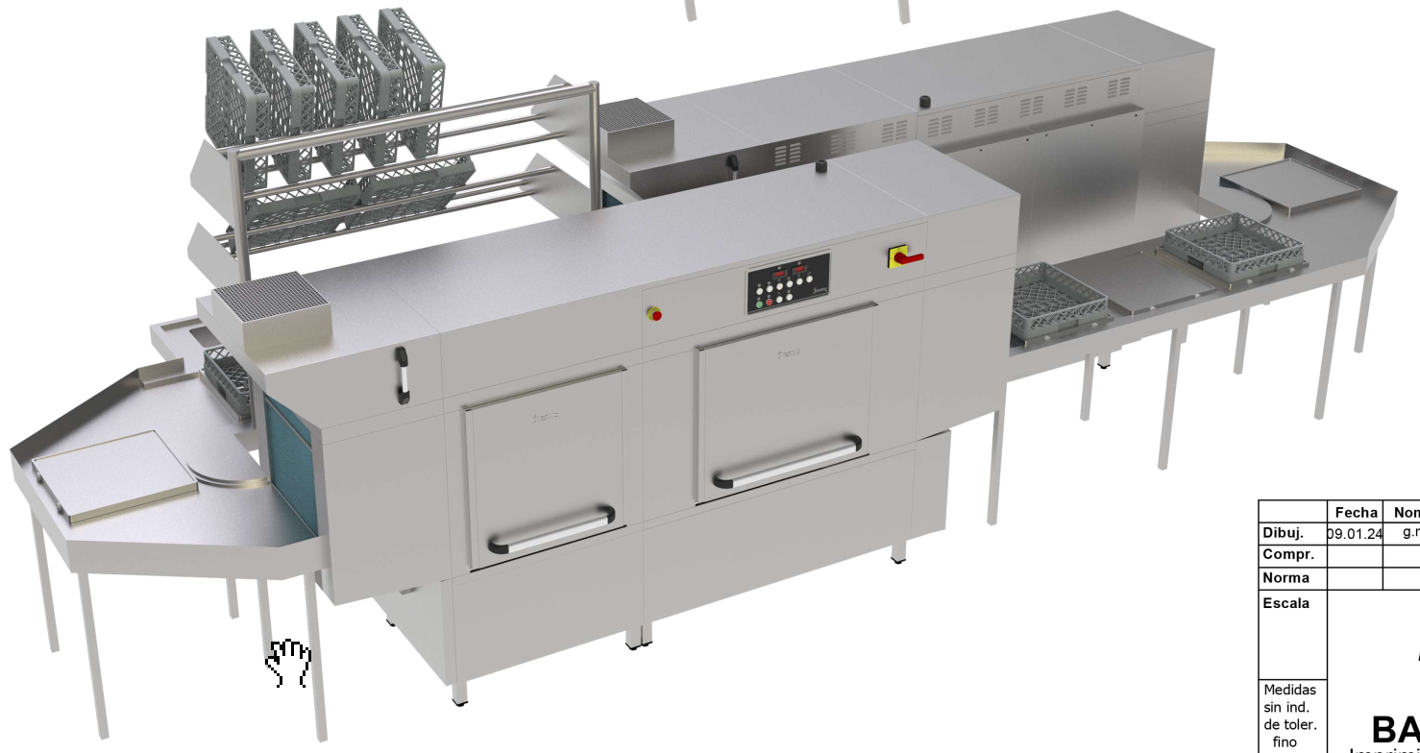
# | Code | Parameter | Tender Description | Mandatory | Weight | evidance | Replay | Appendix | Pictures
1 |  | Manufaturer | Please fill it
2 |  | Model | Please fill it |  |  | Technical Specification
2(a) | CR-1 | Rack Carousel Conveyor | Each stainless steel carrier shall include one (1) rack carrier. The carriers shall be constructed of stainless steel all polished. Carriers shall be fixed from chain system and shall be removable without the use of special tools. | No | 70% | Technical Specification
2(b) | CR-2 | Drive Mechanism | The rack carriers shall be driven by conveyor chain and sprockets. The drive mechanism shall be supported by stainless steel structural members fitted with stainless steel housing and access panels. The conveyor chain shall be movable in both directions anti-clockwise and clockwise. | Yes |  | Technical Specification
2(c) | CR-3 | Drive Motor | variable speed A.C. motor, with double reduction gearbox reducer. Speed shall be changed by turning speed control knob on control panel. | Yes |  | Technical Specification
2(d) | CR-4 | Speed control | The carusel speed control will be integrated in dw panel. | Yes |  | Technical Specification
3 | CR-5 | Soiled Dish Table | Soiled Dish Tables will be 14 ga. stainless steel top and trough as shown on plan. Each Table shall be formed with vertical and horizontal corners coved to a 19mm radius. Provide table with one (1) trough, one (1) perforated ledge, one (1) pre rinse station and three (3) mixing valves. Trough shall be 223mm wide sloping from 762mm to 686mm at the scrap sump mounted at the end of trough. Furnish trough with connections for trough gusher for water line. Support table on 32mm Ø stainless steel legs with adjustable stainless steel bullet feet. Legs shall be positioned to align up front-to-back for maximum access for cleaning. Legs shall be supported with 12 ga. stainless steel leg channels. All cross rails shall be fully welded to legs with all welds polished and ground smooth. Connection: 13mm Ø H & C water (Qty: 2) Connection: 38mm Ø drain (Qty: 4) | No | 30% | Manufacturing Drawing |  |  | 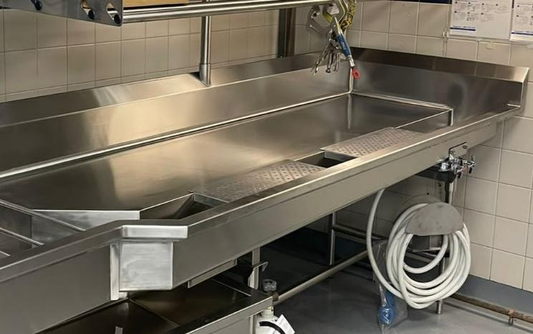
4 | CR-6 | Hose Clean Up Station | Provide One (1) Hose Clean Up Station as shown on drawings. Furnish unit with 10m heavy-duty dairy-quality hose and heavy-duty front trigger style water gun and H & C mixing valves. Provide 14 ga. stainless steel swing bracket with leg mounting sleeve. Connection: 13mm Ø H & C water (Qty: 1) | Yes |  | Manufacturing Drawing |  |  | 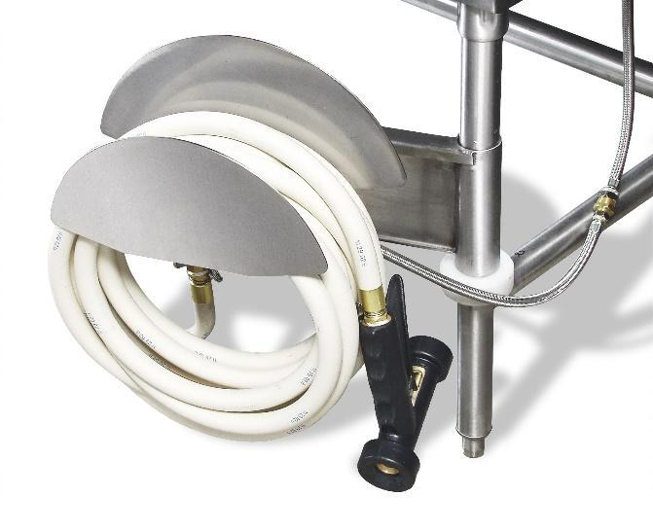
5 | CR-7 | Mobile Soak Sink | Provide One (1) Mobile Soak Sink as shown on plan. Unit shall measure 584mm x 584mm x 610mm high x 203mm deep sink and shall be mounted on 41mm Ø stainless steel legs and 127mm Ø heavy-duty casters. Sinks shall be formed of 14 ga. stainless steel with all corners coved to 16mm radius. Provide boxed rims on all top edges and lever-operated 38mm waste with open drain. | Yes |  | Manufacturing Drawing |  |  | 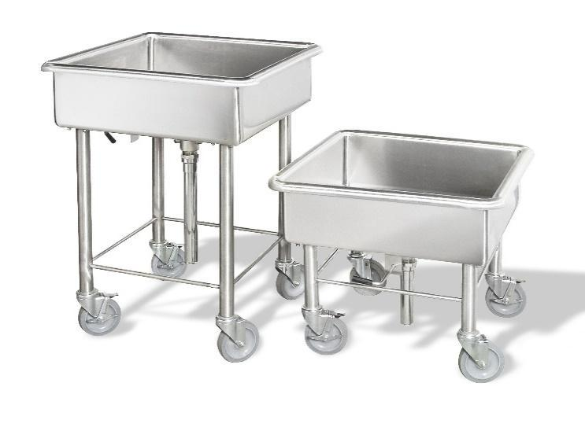
6 | CR-8 | Cart Wash | Provide one (1) cart wash as shown on the drawings. Provide stainless steel enclosure on both sides on wall as shown on the drawings. Provide two (2) cart wash ramp on each side of cart wash as shown on the plan. Provide one (1) wall mounted hose reel where shown on the plan. Connection: 13mm Ø H & C water (Qty: 1) Connection: 38mm Ø drain (Qty: 1) | Yes |  | Manufacturing Drawing |  |  | 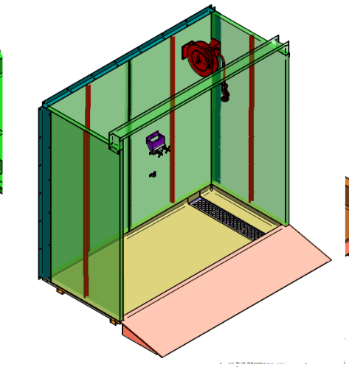
 |  | Total Weight |  |  | 100%

Rotary Tray Accumulator System
# | Code | Parameter | Tender Description | Mandatory | Weight | evidance | Replay | Pictures | Appendix
1 |  | Manufaturer | Please fill it
2 |  | Certification | Please fill it
3 |  | Conecting Load (kw) | Please define dw power consuption with heat recovery | No
4 |  | Stainless Steel Pass Thru Window Frame & Sill | Model: Custom fabricated Provide One (1) Full perimeter window frames manufactured from 16 ga. Finish will be 304 #4 stainless steel finish integral with Rotary Tray Accumulator Conveyor. Food Service Equipment Contractor to verify window opening with architectural drawings. | Yes |  | Manufacturing Drawing |  | 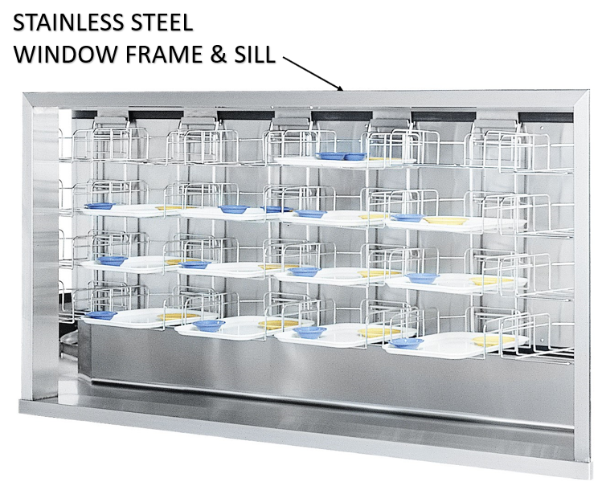
5 |  | Stainless Steel Sight & Sound Baffle | Model: Custom Fabricated. Provide One (1) Stainless steel insulated sight & sound baffle with two (2) LED tube lights integral with Rotary Tray Accumulator Conveyor. Construction of each sight & sound baffle enclosure shall be 20 ga. stainless steel double-walls finish will be 304 #4, 51mm thick with sound-reducing styro foam in between. | No | 5% | Manufacturing Drawing |  | 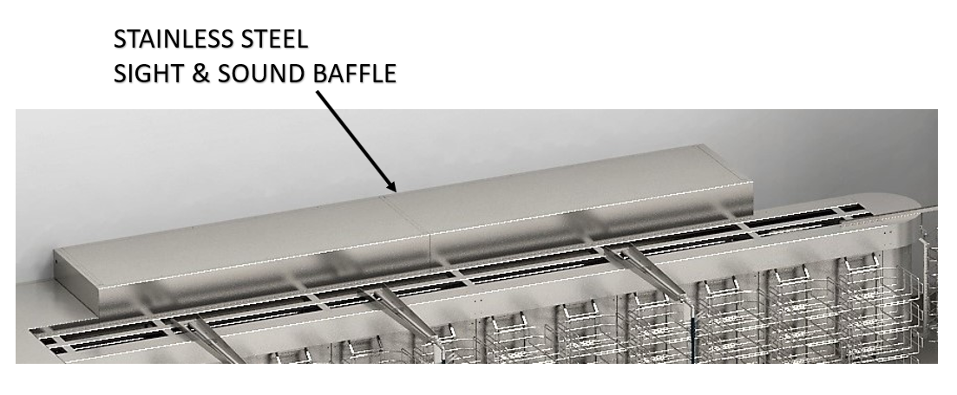
6 |  | Model
6(a) |  | Rotary Tray Accumulator Conveyor | Each ladder shall include three (3) tray carriers. The carriers shall be constructed of 6mm Ø stainless steel rods all welded and polished. Carriers shall be removable from carrier hanger without the use of tools. Finish will be 304 #4 Both at the top and bottom, carriers ride on the UHMW (Ultra High Molecular Weight) guides. These guides are designed to reduce friction and give you a smooth and quiet operation. | No | 30% | Manufacturing Drawing |  | 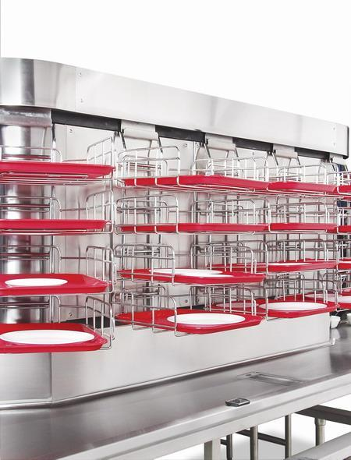
6(b) |  | Carrier Hangers | The carrier hangers shall be constructed of 13mm Ø stainless steel rods all welded and polished. The carrier hangers shall be attached to a stainless steel ‘J’ bracket. The carriers shall be removable without the use of tools. Finish will be 304 #4 Carrier hangers are attached to a heavy duty # 60 chain. The chain rides between nylon runners that are locked in an aluminium track. This design ensures the ladders are always in an upright position while the system is in operation. 'J' Brackets shall be formed from 12ga. stainless steel. Brackets shall be attached to and driven by #60 conveyor chain. | No | 5% | Manufacturing Drawing |  | 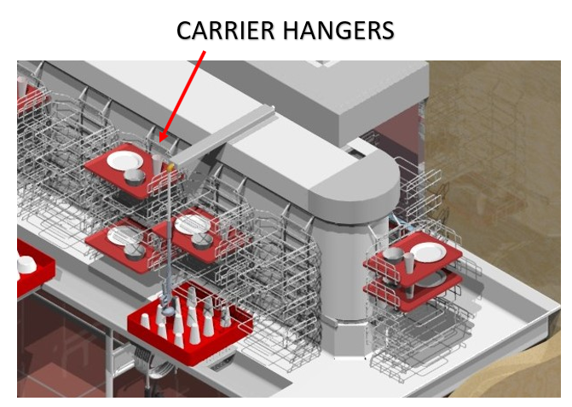
6(c) |  | Drive Mechanism | The tray carriers shall be driven by # 60 conveyor chain and sprockets. The drive mechanism shall be supported by stainless steel structural members fitted with stainless steel housing and access panels. | No | 5% | Technical Specification
6(d) |  | Drive Motor | Variable speed A.C. motor, with double reduction gearbox reducer. Speed shall be changed by turning speed control knob on control panel. The direct drive system has fewer components to maintain or replace. The removable top shall provide quick and easy access to the drive system for servicing the parts. | No | 10% | Technical Specification |  | 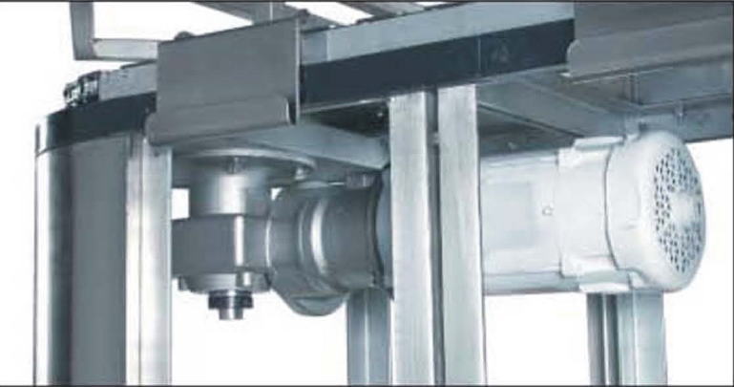
5(e) |  | Auto-Take Ups Unit | Auto-Take ups unit which consists of compression spring assemblies over Stainless steel 13mm slide pins. These are mounted inside frame of Tray accumulator and can be easily accessed for maintenance and cleaning whenever required. These Auto-take ups unit are connected to # 60 chain conveyor and keeps the chain under tension always whenever it tends to loosen itself, this helps in smooth and efficient running of chain for longer time. | No | 10% | Technical Specification |  | 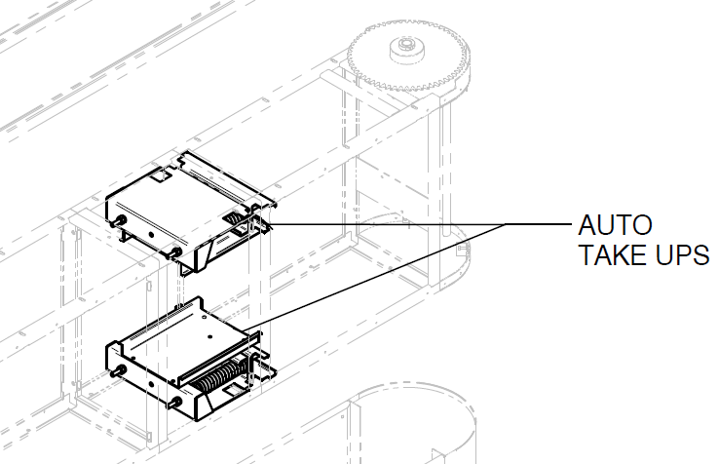
6(f) |  | Anti-jam Switch | Two (2) anti-jam photo sensor switches in each conveyor to shut off conveyor, in the event the trays are not fully loaded into the tray carriers which prevents any type of damage or accidents to operators or customers. | Yes |  | Technical Specification
6(g) |  | Main Control Center | One (1) Main Control Center along with remote start stop station containing main disconnect, start-stop, speed control, and indicating lights. All components shall be neatly contained in a stainless-steel watertight enclosure. Finish will be 304 #4. The electrical contractor shall bring 230V/1 phase/15A/50Hz , and all wiring shall be carried in liquid tight conduits, including conveyor motor and controls. All electrical controls shall be approved for wet conditions and shall comply with all applicable codes. All enclosures for electrical components must be watertight. | Yes |  | Technical Specification |  | 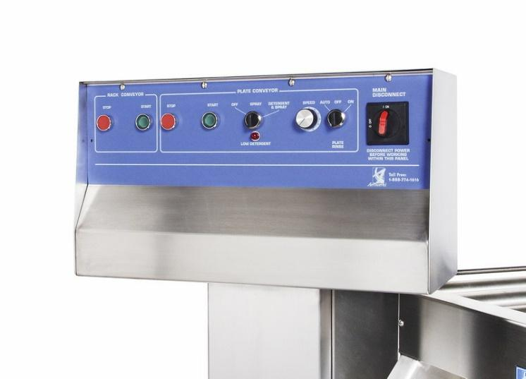
7 |  | Soiled Dish Table | Provide One (1) Soiled Dish Tables, 14 ga. stainless steel top and trough as shown on plan. Finish will be 304 #4. Table shall be formed with vertical and horizontal corners coved to a 19mm radius. Provide table with one (1) trough, two (2) perforated ledges, two (2) pre rinse stations and three (3) mixing valves. Trough shall be 223mm wide sloping from 762mm to 686mm at the scrap sump mounted at the end of trough. Furnish trough with connections for trough gusher for water line. Support table on 32mm Ø stainless steel legs with adjustable stainless steel bullet feet. Legs shall be positioned to align up front-to-back for maximum access for cleaning. Legs shall be supported with 12 ga. stainless steel leg channels. All cross rails shall be fully welded to legs with all welds polished and ground smooth. Connection: 13mm Ø H & C water (Qty: 3) Connection: 38mm Ø drain (Qty: 2) | No | 25% | Manufacturing Drawing |  | 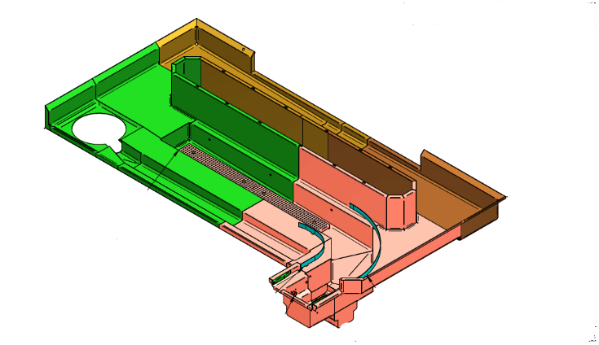
8 |  | Rack Transfer Conveyor | Provide One (1) Knuckle Belt Rack Transfer Conveyor as shown on plan., speed to match speed of dish machine, using an AC Inverter for varying the speed. Conveyor to form an integral part of scrapping table and purpose of conveyor to carry standard 508mm x 508mm racks directly into rackstyle dish machine. Table shall be connected to load end of dishmachine to provide a drip-proof connection. Drip pan of table slopped to scrap basket mounted on loading end of knuckle belt conveyor as shown on plan. Knuckle belt shall be equal to a pivot-radius, or multi-flex chain as used in commercial food plant operations. Plumbing Connections: At Drive side (where shown on plan) 38mm Ø drain (Qty: 1) 13mm Ø H & C water (Qty: 1) | Yes |  | Technical Specification |  | 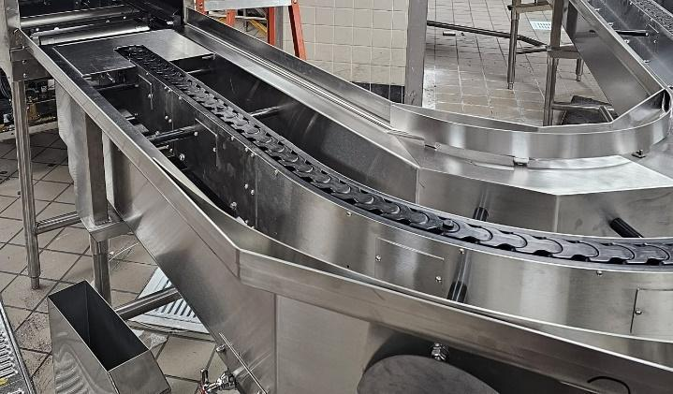
9 |  | Clean Dish Roller Table | One (1) Clean Dish Roller Table, 14 ga. stainless steel formed with vertical and horizontal corners coved to a 19mm radius. Finish will be 304 #4. Table shall be equipped with turned up sides with box edge on front and rear. Box edge to extend approx. 51mm above top of roller. Table shall be connected to exit end of dish machine to provide a drip-proof connection. Slope table to drain, built into table were shown on plan. Table shall be designed to accept a PVC roller conveyor to carry dish racks from dish machine smoothly & designed to help the drip drying of racks. PVC roller conveyor shall be in accordance with the following: Rollers shall be 48mm Ø blue PVC, fitted with polypropylene bearings with stainless steel balls. Rollers shall be spaced at approximately 140mm centers. Shafts shall be 11mm hexagon aluminum securely bolted to side rails. Side rails shall be 3mm x 25mm stainless steel resting on support pins welded to side of conveyor bed to keep rollers elevated above bottom of bed for effective draining of water from dish racks. Table to be supported on 41mm Ø stainless steel legs with adjustable s/s flanged feet. Legs would be supported on 12 ga. stainless steel leg channels. All cross rails to be fully welded to legs with all welds polished and ground smooth. Provide a prewired accumulation switch at end of clean table integrated with dish machine to shut machine off when a rack reaches the end of the table. Provide photoelectric diffuser sensor as shown on the plan. Connection: 38mm Ø drain (Qty: 1). | No | 10% | Manufacturing Drawing |  | 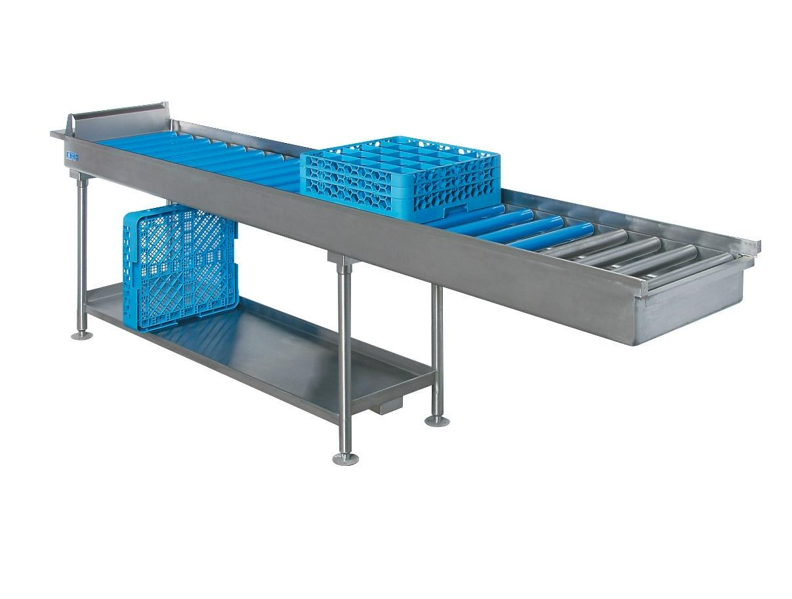

10 |  | Hose Clean Up Station | Provide One (1) Hose Clean Up Stations as shown on drawings. Furnish unit with 10m heavy-duty dairy-quality hose and heavy-duty front trigger style water gun and H & C mixing valves. Provide 14 ga. stainless steel swing bracket with leg mounting sleeve. Connection: 13mm Ø H & C water (Qty: 1) | Yes |  | Manufacturing Drawing
11 |  | Mobile Soak Sink | Model: SS2323 Provide One (1) Mobile Soak Sink as shown on plan. Unit shall measure 584mm x 584mm x 610mm high x 203mm deep sink and shall be mounted on 41mm Ø stainless steel legs and 127mm Ø heavy-duty casters. Sinks shall be formed of 14 ga. stainless steel with all corners coved to 16mm radius. Finish will be 304 #4. Provide boxed rims on all top edges and lever-operated 38mm waste with open drain. | Yes |  | Manufacturing Drawing |  | 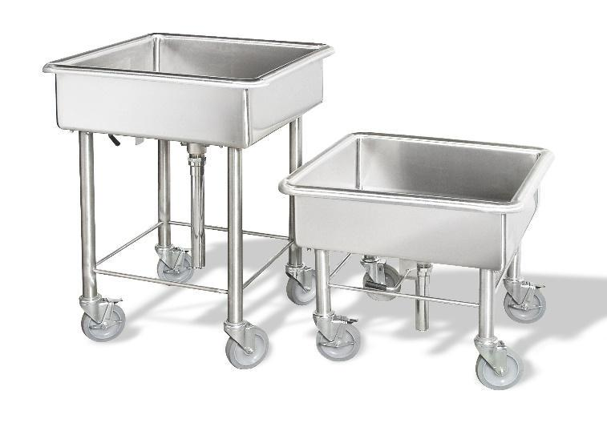
 |  | total weight |  |  | 100%

